Change_History
Home
 |  | Intel Confidential - for internal use only
 |  | NVL Ax RVP LZ document. Please submit all feedback to: Sharma, Deepak; Dixit, Mayank
 |  | Please find the latest of the document here (Need to add link).
 |  |  |  | TBD/ non-POR topologies only for validation highlighted in RED color
Date | Rev | Tab | Details | Owner
WW30p1Y2024` | Rev 0.20 | All Tabs | Initial version | Sharma, Deepak; Dixit, Mayank
WW50p1Y2024` | Rev 0.21 | Block Diagram, Ax RVP LZ One-pager, Type-C, Display configs. | HDMI connector rework option added over TCP2 port. | Sharma, Deepak; Dixit, Mayank
WW15p1Y2025` | Rev 0.5 | All Tabs | RVP BD Added Added Provision for NVL AM Silicon Removed Support for SKU #2- HSIO SKU Updated LSIO Mapping Added provision for M.2 SSD muxing with DMI

Index
Home
 |  | Intel Confidential - for internal use only
 |  | NVL Ax RVP LZ document. Please submit all feedback to: Sharma, Deepak; Dixit, Mayank
 |  | Please find the latest of the document here.
 |  |  |  | TBD/ non-POR topologies only for validation highlighted in RED color
Si# | Tab Title | Tab Owner | Last Updated | Comments
1 | Change History | Sharma, Deepak; Dixit, Mayank | WW25p1Y2025` | Please see Change History Tab for change details
2 | Index | Sharma, Deepak; Dixit, Mayank
3 | Mobile RVP SKU Summary | Sharma, Deepak; Dixit, Mayank
4 | RVP Memory Configs | Sharma, Deepak; Dixit, Mayank
5 | Type-C, Display Mapping | Sharma, Deepak; Dixit, Mayank
6 | HSIO, USB2 Mapping | Sharma, Deepak; Dixit, Mayank
7 | Ax RVP LZ OnePager | Sharma, Deepak; Dixit, Mayank
8 | AX RVP IO Mapping | Sharma, Deepak; Dixit, Mayank
9 | Ax RVP LZ | Sharma, Deepak; Dixit, Mayank

Mobile RVP SKU Summary
Home
 |  | Intel Confidential - for internal use only
 |  | NVL Ax RVP LZ document. Please submit all feedback to: Sharma, Deepak; Dixit, Mayank
 |  | Please find the latest of the document here.

Si# | Segment | Base Board# | RVP SKU | Base board SKU/ BOM SKU | RVP SKU Code | RVP Base board SKU + BOM SKU (Please note - SKU name will change later with MySamples Tool name) | Validation Config | SoC Support | PCH IOE Support | Memory Support | PCB Type (POR L# + RVP L#) | Comments
1 | Ax | Ax/Am 01 RVP | NVL Ax/Am LP5x MOP T3 with PCH IOE RVP | Base Board SKU | Ax-011 | NVL Ax/Am LP5x MOP T3 with PCH IOE RVP | Volume runner | NVL Ax/Am SoC | NVL PCH IOE | LP5x MOP @ 10.6GT/s | Type-3, 10L+6L
 |  |  |  | BOM SKU | Ax-012 | NVL Ax/Am LP5x MOP T3 with PCH IOE PnP RVP | PnP SKU
 |  |  |  | PPV Board SKU | Ax-013 | NVL Ax/Am LP5x MOP T3 with PCH IOE PPV RVP | PPV

Memory Configs
Home
Intel Confidential - for internal use only
NVL Ax RVP LZ document. Please submit all feedback to: Sharma, Deepak; Dixit, Mayank
Please find the latest of the document here.

NVL Ax RVP Block Diagram
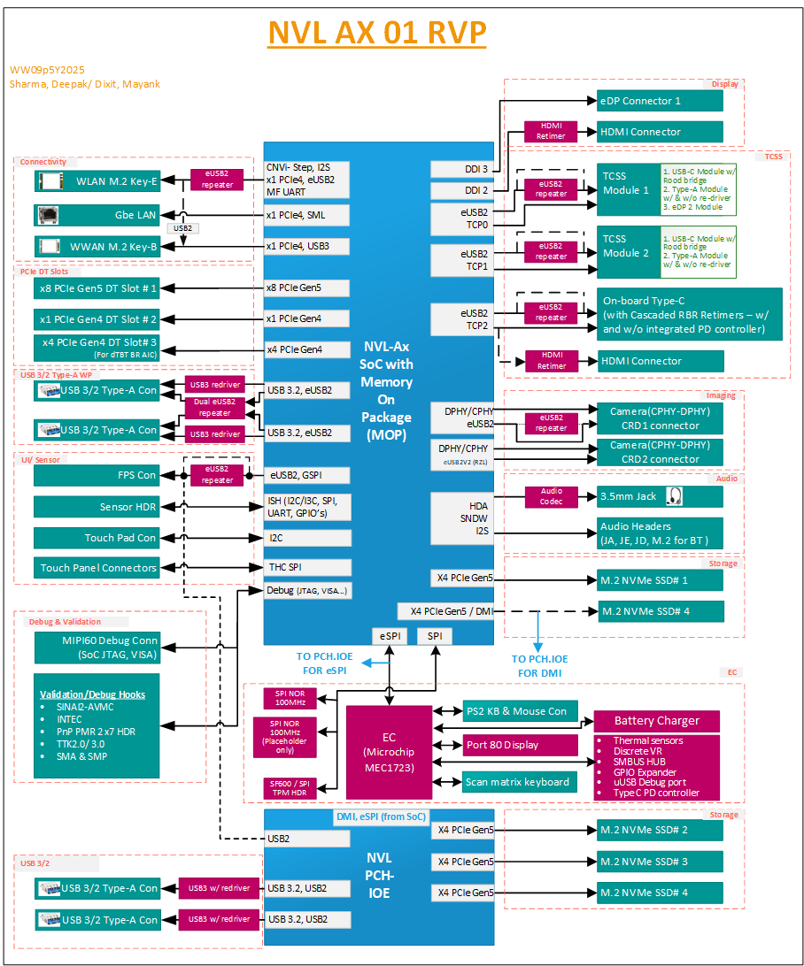

Ax RVP LZ OnePager
Home
 |  | Intel Confidential - for internal use only
 |  | NVL Ax RVP LZ document. Please submit all feedback to: Sharma, Deepak; Dixit, Mayank
 |  | Please find the latest of the document here. | Silicon IO port mappings can change w.r.t. final RVP floor plan & routing feasibility
 |  | Changes w.r.t. SKU highlighted in BLUE color | TBD/ non-POR topologies only for validation highlighted in RED color
Si# | RVP Feature | Ax 01 RVP: NVL Ax LP5x MOP T3 with PCH IOE RVP
1 | MySamples Tool SKU name | TBD
2 | Deployment date | TBD
3 | Interposer | TBD
4 | SKU summary description | NVL-Ax based LP5x MOP Type-3 PCB RVP (10+6 Layers)
5 | SoC Options Options - 1. NVL-Hx(8+16+4+64EU) | Supports NVL Ax SoC 1. NVL-Ax- Halo (8+16+4+512EU) 2. NVL - Am- Mid (4+8+4+256EU)
6 | PnP Measurement 2x7 Header Support Options - 1. Full PnP Support 2. Partial PnP Header Support | Full PnP Support
7 | Power Delivery Options- 1. PMIC based PD 2. Discrete VR based PD 3. Single DC barrel support 4. Dual DC barrel support 5. Charging support via Type-C ports 6. 1S/ 2S Battery 7. 3S Battery 8. ATX Connector | 2. Discrete VR based PD- IMVP 9.3 4. Dual DC barrel support 5. Charging support via Type-C ports 7. 3S Battery
8 | Type-C USB PD Controller Options - 1. SPR 20V PD MB solder down 2. EPR 28V PD MB solder down 3. EPR 48V PD MB solder down 4. SPR 20V PD via TCSS Module 5. EPR 28V PD via TCSS Module 6. EPR 48V PD via TCSS dual Module 7. PD AIC (SPR/ EPR 28V/ EPR 48V) | 5. 2x EPR 28V PD via TCSS Module 6. 1x EPR 48V PD (on-board Type-C)
9 | Memory Options- 1. LPDDR5x, 4x32 BGA,@8533MT/s w/ Type-3 PCB MB Solder down 2. LPDDR5x, 4x32 BGA,@8533MT/s w/ Type-3 PCB w/ CAMM module 3. DDR5 SODIMM, 1SPC,@8000MT/s w/ Type-3 PCB 4. DDR5 SODIMM, 2SPC,@5400MT/s w/ Type-3 PCB 5. LPDDR5x, 4x32 BGA,@9600MT/s w/ Type-4 PCB MB Solder down | NA
10 | eDP/ DDI Ports Display Via DDI-A port Options - 1. eDP 1.5 connector 1 | eDP 1.5 connector 1
11 | HDMI/ DP Ports Display Via dedicated TCP0-DDI4 (CIO 80) port Options - 1. HDMI 2.1 @12Gbps w/ linear redriver 2. HDMI 2.1 @12Gbps w/ retimer 3. HDMI 2.1 TMDS @6Gbps w/ linear redriver 4. Native HDMI 2.1 TMDS @1.65Gbps CRLS 5. DP 2.1 UHBR 20 w/retimer w/ new enhanced mDP con | 1. HDMI 2.1 @12Gbps w/ retimer
12 | Display/ Type-A con from TCP0 to TCP2 (CIO 80) ports (No-support for DP/HDMI native connector, only Type-C Display Alt mode support) Options- 1. Type-A Con USB 3.2 Gen2 x1 10G redriverless (form TCSS) 2. Type-A Con USB 3.2 Gen2 x1 10G w/ Redriver (form TCSS) via TCSS Module 3. eDP 1.5 connector 2 from TCP1 connector via TCSS Module 4. HDMI connector with retimer | 2. 1x Type-A Con USB 3.2 Gen2 x1 10G w/ Redriver (form TCSS) via TCSS Module 3. eDP 1.5 connector 2 from TCP1 connector via TCSS Module 4. HDMI connector with retimer over TCP2 port (Rework Option)
13 | Type C (USB4.0 / Thunderbolt/ DP-USB3) motherboard solder down support Options- 1. TBT4 40G w/ single retimer (Gothic Bridge) MB down 2. TBT4 40G w/ single retimer (Hyden Bridge) MB down 3. TBT4 80G w/ single retimer (Rood bridge) MB down 4. TBT4 80G w/ cascaded retimer (Rood bridge) + retimer (Rood bridge) MB down 5. TBT4 40G w/ cable topology w/FPC or FFC con MB down 6. TBT4 80G w/ cable topology w/FPC or FFC con MB down 7. TBT 80G/40G Mix topology 8. Type-C Con: DP/ USB (HBR3) redriver less MB down 9. Type-C Con: DP/ USB (HBR3/ UHBR10) w/ redriver MB down | 4. 1x No's - TBT4 80G w/ cascaded retimer RBR (with and without integrated PD controller) MB down
14 | TCSS Module supported topologies -------------------------------------------- 1. TBT4 40G w/ single retimer (Gothic Bridge) w/TCSS module (NOT POR) 2. TBT4 40G w/ single retimer (Hayden Bridge) w/TCSS module (NOTPOR) 3. TBT4 80G w/ single retimer (Rood bridge) w/ TCSS Module 4. TBT4 80G w/ cascaded redriver (3rd Party) + retimer (Rood bridge) w/TCSS m 5. TBT4 40G w/ cable topology w/TCSS module (NOT POR) 6. TBT4 80G w/ cable topology w/TCSS module (NOT POR) 7. Type-C Con: DP/ USB (HBR3) redriver less TCSS module (NOT POR) 8. Type-C Con: DP/ USB (HBR3) w/ redriver less TCSS module (NOT POR) 9. Type-C Con: DP/ USB (UHBR10) redriverless TCSS module (NOT POR) 10. Type-C Con: DP/ USB (UHBR10) w/ redriver TCSS module (NOT POR) | 3. 2x No's - TBT4 80G w/ single retimer (Rood bridge) w/ TCSS Module NOT POR, only for early enabling/ debug topologies: 1. 2x No's - TBT4 40G w/ single retimer (Gothic Bridge) w/TCSS module 2. 2x No's -TBT4 40G w/ single retimer (Hayden Bridge) w/TCSS module 7. 2x No's - Type-C Con: DP/ USB (HBR3) redriver less TCSS module (NOT POR)
15 | Discrete GFx & dTBT support Options - 1. dGFx support via x8 PCIe Gen5 CEM Slot 2. Barlow Ridge dTBT Support w/ dGFx MB solder down 3. Barlow Ridge dTBT Support w/ dGFx via BR AIC 4. Barlow Ridge dTBT Support w/ iGFx 5. Native DP 2.1 UHBR 20 w/retimer w/ new enhanced mDP con for Barlow Ridge input | 1. dGFx support via x8 PCIe Gen5 CEM Slot 3. 1x Barlow Ridge dTBT Support w/ dGFx via BR AIC
16 | Audio Options- Audio Options- 1. Audio Jack Codec Solder Down 2. Audio HDR - JA (HDA/I2S Codec AIC Support) 3. Audio HDR - JD (DMIC AIC support) 4. Audio HDR - JE (SNDW Codec/ SPKR Amp AIC support) 5. Power HDR -JH (5V/ VBATA power source) 6. Audio HDR – JS (Onboard codec DMIC & SPKR support) 7. I2S 2 to M.2 Key-E for BT | 1. Audio Jack Codec Solder Down 2,3,4,5,6 - All audio HDR's supported 7. I2S 2 to M.2 Key-E for BT
17 | Storage Options - 1. M.2 NVMe SSD Gen5 2. M.2 NVMe Gen4 SSD 3. SD card 7.0 via PCIe AIC 4. UFS 4 Gear 5 via UFS M.2 module | 1. 2x M.2 NVMe SSD Gen5 (from SOC) in PCH-less configuration, but only 1 when SoC is paired with PCH.IOE 1. 3x M.2 NVMe SSD Gen5 (from PCH) - 2 as default, one with rework 3. SD card 7.0 via x1 PCIe Gen4 CEM slot
18 | Connectivity Options - 1.Integrated Gbe LAN (Jacksonville) 2.Discrete Gbe LAN (Foxville through AIC) 3.Key-E Hybrid M.2 (for CNVi STEP and PCIe discrete WLAN modules) 4.M.2 Key-B WWAN module | 1.Integrated Gbe LAN (Jacksonville) 2.Discrete Gbe LAN (Foxville through AIC) 3.Key-E Hybrid M.2 (for CNVi STEP and PCIe discrete WLAN modules) 4.M.2 Key-B WWAN module
19 | USB3.1/2 Type-A/C Ports (not from TCSS ports) Options - 1. USB3.2 Gen1 redriverless Type-A WP 2. USB3.2 Gen2 w/ redriver Type-A WP 3. USB2 Type-A WP | 2. 2x No's - USB3.2 Gen2 w/ redriver Type-A WP (from SoC) 2. 2x No's - USB3.2 Gen2 w/ redriver Type-A WP (from PCH IOE)
20 | PCIe Slots Options - 1. x8 PCIe Gen5 DT PEG Slot 2. x4 PCIe Gen3 DT Slot 3. x4 PCIe Gen4 DT Slot 4. x1 PCIe Gen4 DT Slot 5. x4 PCIe Gen5 DT Slot 6. x4 PCIe Gen5/4 MCIO connectors | 1. 1x No's - x8 PCIe Gen5 DT CEM Slot (CPU) 3. 1x No's - x4 PCIe Gen4 CEM DT Slot (CPU) 4. 1x No's - x1 PCIe Gen4 CEM DT Slot (CPU)
21 | Sensors Options - 1. Sensor AIC MOSAIC Header support (ISH) No-onboard sensors supports in RVP | 1. Sensor AIC MOSAIC Header support (ISH)
22 | Touch Panel Options - 1. Touch Panel Connector 1 - THC/ SPI/I2C based 2. Touch Panel Connector 2 - THC/ SPI/ I2C based | 1. Touch Panel Connector 1 2. Touch Panel Connector 2
23 | Touch Pad 1. I2C based Touch Pad support No-support USB based Touch Pad support/ or via Type-A/ Type-C ports | 1. I2C based Touch Pad support
24 | Finger Print Sensor Options - 1. FPS Connector -USB2.0 based 2. FPS Connector -eUSB2.0 based No-Support for SPI based Finger Print Sensor | 1. FPS Connector -USB2.0 based 3. SPI based Finger Print Sensor (Only HW support, 3PE device not available for validation)
25 | Imaging Options: 1. CRD Gen1 Connector 1/2 (D-PHY only) 2. CRD Gen2 Connector 1/2 (C PHY and DPHY (DPHY over CPHY routing)) 3. USB2 Based camera via Type-A/ Type-C con 4. eUSB2 based camera (CRD Gen2 Connector) 5. AON Camera AIC Support (via AIC on CRD con1) | 2. CRD Gen2 Connector 1/2 (C PHY and DPHY (DPHY over CPHY routing)) 3. USB2 Based camera via Type-A/ Type-C con 4. eUSB2 based camera (CRD Gen2 Connector)
26 | NFC | NA, Not POR
27 | GNSS | Through M.2 WWAN Module only
28 | BIOS Flash Options - 1. 2x 32MB - 1.8V Flash w/ RPMC 2. 1x 64MB - 1.8V Flash w/ RPMC 3. 1x 32MB - 1.8V Flash for Hx optional PCH | 2. 1x 64MB - 1.8V Flash w/ RPMC 3. 1x 8MB - 1.8V w/o RPMC flash for PCH IOE
29 | BIOS/ EC Flash Configuration Options - 1. G3 Flash Sharing 2. MAF 3. SAF | 1. G3 Flash Sharing 2. MAF (default) 3. SAF
30 | Embedded Controller (EC) Options - 1. ESPI Based on board EC - MEC1723 2. MECC EC AIC Support 200 pin | 1. ESPI Based on board EC - Microchip w/ I3C support
31 | Security Options - 1. SPI TPM (SF-600)Header | 1. SPI TPM (SF-600)Header
32 | Val/ Debug Hooks - EV Specific Options - 1. SINAI2/ Nevo, InTec 2. Flex Topology - USB3/SATA) 3. MIPI 60 for SoC with SoC JTAG, PTI/VISA 4. TTK3 Support 5. Serial Port through USB2 Micro USB connector 6. PM Side band connector | 1. SINAI2/ Nevo, InTec 3. MIPI 60 for SoC with SoC JTAG, PTI/VISA 4. TTK3 Support 5. Serial Port through USB2 Micro USB connector 6. PM Side band connector
33 | Power Management 1. S0ix+ Pseudo G3 & S4 Support 2. DSx Support | 1. S0ix+ Pseudo G3 & S4 Support
34 | OS feature support Options 1. Windows 2. Chrome 3. WCOS Support | 1. Windows

Type-C, Display Configs
Home
 |  | Intel Confidential - for internal use only
 |  | NVL Ax RVP LZ document. Please submit all feedback to: Sharma, Deepak; Dixit, Mayank
 |  | Please find the latest of the document here.
 |  | Changes w.r.t. SKU highlighted in BLUE color
Die | Silicon Port | Ax 01 RVP: NVL Ax LP5x MOP T3 with PCH IOE RVP
 |  | Topology 1(Default)/ Topology 2 (Rework) | Silicon IO port mappings can change w.r.t. final RVP floor plan & routing feasibility
 |  | PPV (Ax) & volume runner | TBD/ non-POR topologies only for validation highlighted in RED color
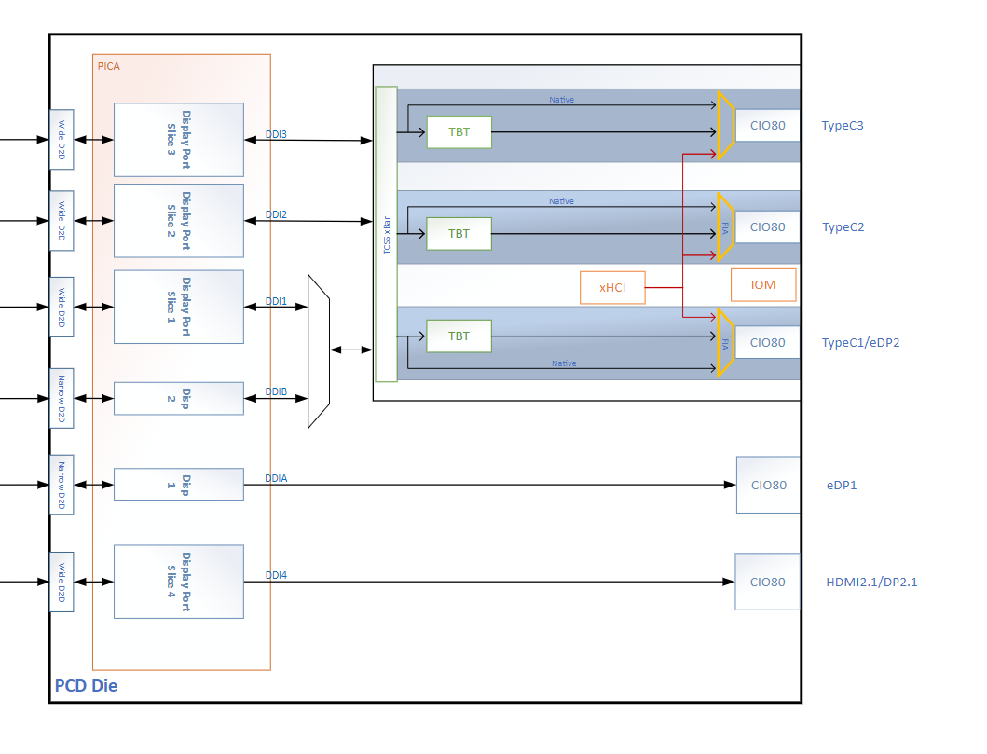
PCD-H | DDI3 - eDP1 (eDP 1.5) | eDP Panel Con 1
 | DDI2 - HDMI 2.1 /DP 2.1 only | HDMI 2.1 native Con (HDMI 2.1 @12Gbps w/ retimer)
 | TCP0 (TBT 40G/80G/ DDI1 - DP 2.1/ (DDIB - eDP2)) | Modular TCSS USB PD : 28V EPR w/ TCSS module
 | TCP1 (TBT 80G/ DDI2 - DP 2.1 ) | Modular TCSS (single module) USB PD : 28V EPR w/ TCSS module
 | TCP2 (TBT 80G/ DDI3 - DP 2.1 ) | On-board Type C Con - TBT 80G with cascaded Rood Bridge (with and without integrated PD controller) USB PD : 48V EPR, Or HDMI Connector with Retimer (Rework Option)
 |  | TCSS module supports
 |  | 1. Rood bridge-80G(POR) 2. Type-A module (POR) 3. eDP module module (POR -TCP0 port) 4. Hayden bridge-40G (Not POR for Ax) 5. Gothic bridge-40G (Not POR for Ax) 6. DP/USB redrive less (Only for FV debug-TBD)

 |  |  |  | No | No ,
 |  |  |  | NA | NA ,

HSIO, USB2 Mapping
Home
 |  | Intel Confidential - for internal use only
 |  | NVL Ax RVP LZ document. Please submit all feedback to: Sharma, Deepak; Dixit, Mayank
 |  | Please find the latest of the document here. |  |  | Silicon IO port mappings can change w.r.t. final RVP floor plan & routing feasibility
 |  | Changes w.r.t. SKU highlighted in BLUE color |  | 1x2 & 2 | TBD/ non-POR topologies only for validation highlighted in RED color
PCIe Lane Config | PCIe Lane # | Die # | Ax 01 RVP: NVL Ax LP5x MOP T3 with PCH IOE RVP
 |  |  | PPV (Ax) & volume runner
HSIO x4/ x2+x2/ x2+x1+x1/ x1+x1+x2/ x1+x1+x1+x1/ | PCIe Gen4 A1/ Gbe LAN | PCD-H | Gbe LAN Support
 | PCIe Gen4 A2 |  | x1 PCIe Gen4 CEM Slot #2
 | PCIe Gen4 A3 |  | M.2 WLAN Key E/ (M.2 WWAN Key-B - x2mode rework option for PPV only in Lane Reverse mode)
 | PCIe Gen4 A4 |  | M.2 WWAN Key B
x4/ x2+x2/ x2+x1+x1/ x1+x1+x2/ x1+x1+x1+x1/ | PCIe Gen4 B1 |  | x4 PCIe Gen4 CEM Slot #3 dTBT Barlow Ridge #1
 | PCIe Gen4 B2
 | PCIe Gen4 B3
 | PCIe Gen4 B4
x4/ x2+x2/ | DMI/ PCIe Gen5 C1 |  | x4 DMI (PCIe Gen5)/ M.2 NVMe SSD #4 (rework - from PCD-H PCIe gen5 and PCH.IOE PCIe gen5)
 | DMI/ PCIe Gen5 C2
 | DMI/ PCIe Gen5 C3
 | DMI/ PCIe Gen5 C4
x8/ x4+x4 | PCIe Gen5 D1 |  | x8 PCIe Gen5 CEM Slot #1
 | PCIe Gen5 D2
 | PCIe Gen5 D3
 | PCIe Gen5 D4
 | PCIe Gen5 D5
 | PCIe Gen5 D6 |  |  |  | DDI and Type-C
 | PCIe Gen5 D7
 | PCIe Gen5 D8 |  |  |  | DDIA - eDP1 (eDP 1.5) | eDP connector
x4/ x2+x2/ | PCIe Gen5 E1 |  | M.2 NVMe SSD #1 (x4 PCIe Gen5) w/ I3C/I2C for NIST |  | DDI4 - HDMI 2.1 /DP 2.1 only | HDMI redriver
 | PCIe Gen5 E2 |  |  |  | TCP1 (TBT 40G/80G/ DDI1 - DP 2.1/ (DDIB - eDP2)) | M.2 Modular TCSS with Rood Bridge (so that secondary eDP can also be used)
 | PCIe Gen5 E3 |  |  |  | TCP2 (TBT 80G/ DDI2 - DP 2.1 ) | USB4 80G Rood bridge down with short length (Single retimer)
 | PCIe Gen5 E4 |  |  |  | TCP3 (TBT 80G/ DDI3 - DP 2.1 ) | USB4 80G Rood bridge down (Cascaded retimers)
x4 (x4/ x2+x2/ x1+x1+x1+x1) | PCIE Gen5 E0 | PCH -S | M.2 NVMe SSD #2 (x4 PCIe Gen5)
 | PCIE Gen5 E1
 | PCIE Gen5 E2
 | PCIE Gen5 E3
x4 (x4/ x2+x2/ x1+x1+x1+x1) | PCIE Gen4 A0 |  | NC (No connect pin in RVP)
 | PCIE Gen4 A1
 | PCIE Gen4 A2/ Gbe LAN
 | PCIE Gen4 A3
x4 (x4/ x2+x2/ x1+x1+x1+x1) | PCIE Gen4 B0/ SATA 0 |  | NC (No connect pin in RVP)
 | PCIE Gen4 B1/ SATA 1
 | PCIE Gen4 B2/ SATA 2/ Gbe LAN
 | PCIE Gen4 B3/ SATA 3
x4 (x4/ x2+x2/ x1+x1+x1+x1) | PCIE Gen4 C0/ SATA 4 |  | NC (No connect pin in RVP)
 | PCIE Gen4 C1/ SATA 5
 | PCIE Gen4 C2/ SATA 6/ Gbe LAN
 | PCIE Gen4 C3/ SATA 7
x4 | PCIE Gen5 D0 |  | M.2 NVMe SSD #3 (x4 PCIe Gen5)
 | PCIE Gen5 D1
 | PCIE Gen5 D2
 | PCIE Gen5 D3
x4 (x4/ x2+x2/ x1+x1+x1+x1) | PCIE Gen5 F0 |  | M.2 NVMe SSD #4 (as rework) (x4 PCIe Gen5)
 | PCIE Gen5 F1
 | PCIE Gen5 F2
 | PCIE Gen5 F3
x4 | DMI_0 (PCIe Gen5) |  | x4 DMI (PCIe Gen5)
 | DMI_1 (PCIe Gen5)
 | DMI_2 (PCIe Gen5)
 | DMI_3 (PCIe Gen5)

PCIe SRC clocks & CLKREQs | Gen4 SRC CLK &CLKREQ #1 | PCD-H | Gbe LAN Support
 | Gen4 SRC CLK &CLKREQ #2 |  | x1 PCIe Gen4 CEM Slot #2
 | Gen4 SRC CLK &CLKREQ #3 |  | M.2 WLAN Key E
 | Gen4 SRC CLK &CLKREQ #4 |  | M.2 WWAN Key B
 | Gen4 SRC CLK &CLKREQ #5 |  | x4 PCIe Gen4 CEM Slot #3 dTBT Barlow Ridge #1
 | Gen5 SRC CLK &CLKREQ #1 |  | x4 DMI (PCIe Gen5)
 | Gen5 SRC CLK &CLKREQ #2 |  | x8 PCIe Gen5 CEM Slot #1
 | Gen5 SRC CLK &CLKREQ #3 |  | M.2 NVMe SSD #1 (x4 PCIe Gen5)
 | Gen5 SRC CLK &CLKREQ #4 |  | MCIO SB header (For supporting 2 x4 M.2 SSDs over PCIe CEM x8 slot)

PCIe SRC clocks & CLKREQs | Gen5 SRC CLK &CLKREQ #1 | PCH-S | M.2 NVMe SSD #2 (x4 PCIe Gen5)
 | Gen5 SRC CLK &CLKREQ #2 |  | M.2 NVMe SSD #3 (x4 PCIe Gen5)
 | Gen5 SRC CLK &CLKREQ #3 |  | M.2 NVMe SSD #4 (x4 PCIe Gen5)
 | Gen5 SRC CLK &CLKREQ #4 |  | NC (No connect pin in RVP)
 | Gen4 SRC CLK &CLKREQ #1 |  | NC (No connect pin in RVP)
 | Gen4 SRC CLK &CLKREQ #2 |  | NC (No connect pin in RVP)
 | Gen4 SRC CLK &CLKREQ #3 |  | NC (No connect pin in RVP)
 | Gen4 SRC CLK &CLKREQ #4 |  | NC (No connect pin in RVP)
 | Gen4 SRC CLK &CLKREQ #5 |  | NC (No connect pin in RVP)
 | Gen4 SRC CLK &CLKREQ #6 |  | NC (No connect pin in RVP)
 | Gen4 SRC CLK &CLKREQ #7 |  | NC (No connect pin in RVP)
 | Gen4 SRC CLK &CLKREQ #8 |  | NC (No connect pin in RVP)
 | Gen4 SRC CLK &CLKREQ #9 |  | NC (No connect pin in RVP)
 | Gen4 SRC CLK &CLKREQ #10 |  | NC (No connect pin in RVP)

2x USB3.2 Ports from PCD-H | USB3.2 #1 | PCD-H | USB3.2 Gen2 Type-A WP #1 / M.2 WWAN (Rework Option)
 | USB3.2 #2 |  | USB3.2 Gen2 Type-A WP #2

8x eUSB2 Ports from PCD-H | eUSB2 #1 + w/ eUSB2 Repeater | PCD-H | Type-C Port #0 (default)/ 2x5 USB2 PPV HDR #1 (PPV BOM SKU)
 | eUSB2 #2 + w/ eUSB2 Repeater |  | Type-C Port #1
 | eUSB2 #3 + w/ eUSB2 Repeater |  | Type-C Port #2
 | eUSB2 #4 + w/ eUSB2 Repeater |  | M.2 WLAN (default)/ M.2 WWAN (rework)/ Type-C Port #0 (PPV BOM SKU)
 | eUSB2 #5 + w/ eUSB2 Repeater |  | USB3.2 Gen2 Type-A WP #1
 | eUSB2 #6 + w/ eUSB2 Repeater |  | USB3.2 Gen2 Type-A WP #2
 | eUSB2 #7 + w/ eUSB2 Repeater |  | CRD CPHY-DPHY Camera HDR#1 - eUSB2 native Camera (default)/ CRD Camera HDR#1-USB2 (rework)/ 2x5 USB2 PPV HDR #2 (PPV BOM SKU)
 | eUSB2 #8 + w/ eUSB2 Repeater |  | USB2 FPS/ eUSB2 FPS (rework)/ 2x5 USB2 PPV HDR #2 (PPV BOM SKU)

8x USB2 Ports from PCH | USB2 #1 | PCH-S | USB3.2 Gen2 w/ redriver Type-A WP #3
 | USB2 #2 |  | USB3.2 Gen2 w/ redriver Type-A WP #4
 | USB2 #3 |  | FPS Connector (Rework)
 | USB2 #4 |  | NC (No connect pin in RVP)
 | USB2 #5 |  | NC (No connect pin in RVP)
 | USB2 #6 |  | NC (No connect pin in RVP)
 | USB2 #7 |  | NC (No connect pin in RVP)
 | USB2 #8 |  | NC (No connect pin in RVP)
 | USB2 #9 |  | NC (No connect pin in RVP)
 | USB2 #10 |  | NC (No connect pin in RVP)
 | USB2 #11 |  | NC (No connect pin in RVP)
 | USB2 #12 |  | NC (No connect pin in RVP)
 | USB2 #13 |  | NC (No connect pin in RVP)
 | USB2 #14 |  | NC (No connect pin in RVP)

10x USB3.2 Ports from PCH | USB 3.2 #1 | PCH-S | USB3.2 Gen2 w/ redriver Type-A WP #3
 | USB 3.2 #2 |  | USB3.2 Gen2 w/ redriver Type-A WP #4
 | USB 3.2 #3 |  | NC (No connect pin in RVP)
 | USB 3.2 #4 |  | NC (No connect pin in RVP)
 | USB 3.2 #5 |  | NC (No connect pin in RVP)
 | USB 3.2 #6 |  | NC (No connect pin in RVP)
 | USB 3.2 #7 |  | NC (No connect pin in RVP)
 | USB 3.2 #8 |  | NC (No connect pin in RVP)
 | USB 3.2 #9 |  | NC (No connect pin in RVP)
 | USB 3.2 #10 |  | NC (No connect pin in RVP)

